Tax
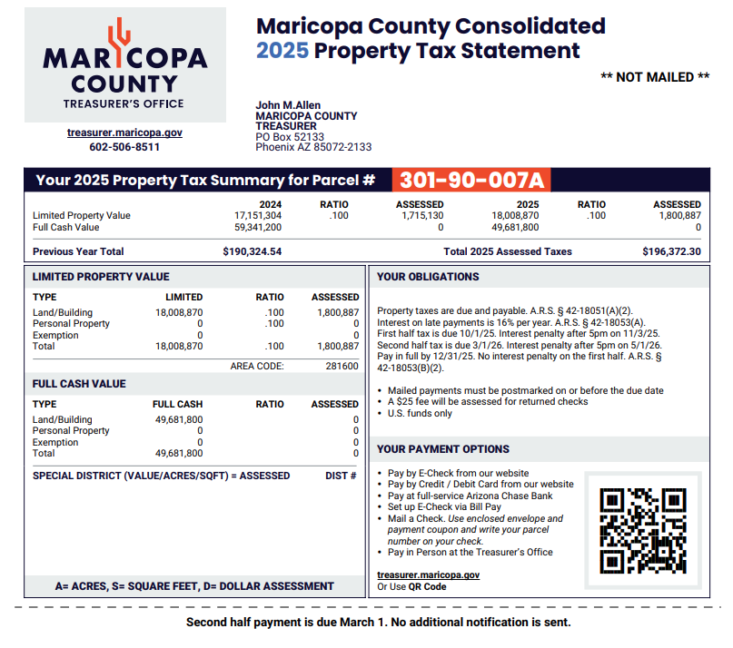
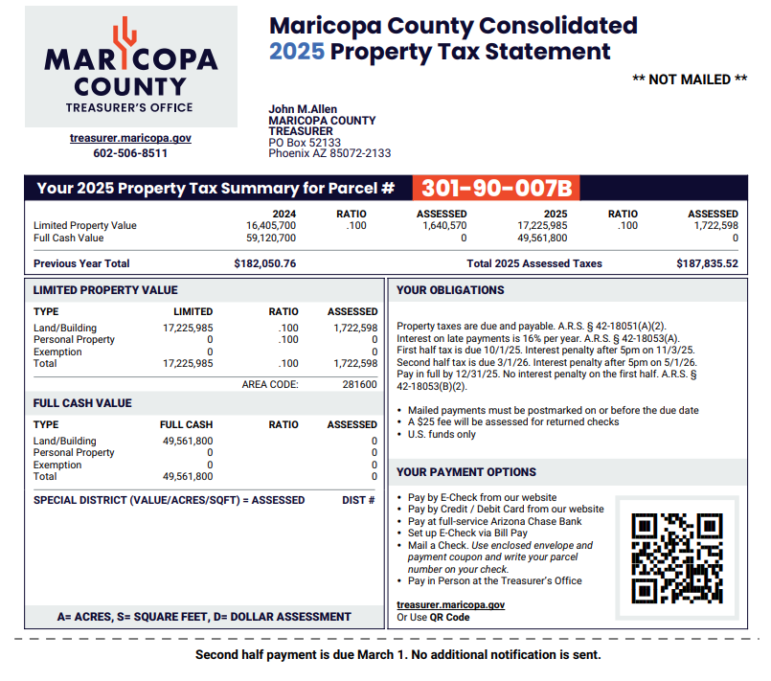
 |  | Address | Parcel # | Tax | Updated
Tax Details | Parcel 1 | 701 W Grove Pkwy Tempe, AZ 85283 | 301-90-007A | $196,372.30 | 2026-05-18
$384,207.82 | Parcel 2 | 7250 S Kyrene Rd Tempe, AZ 85283 | 301-90-007B | $187,835.52 | 2026-05-18

Insurance
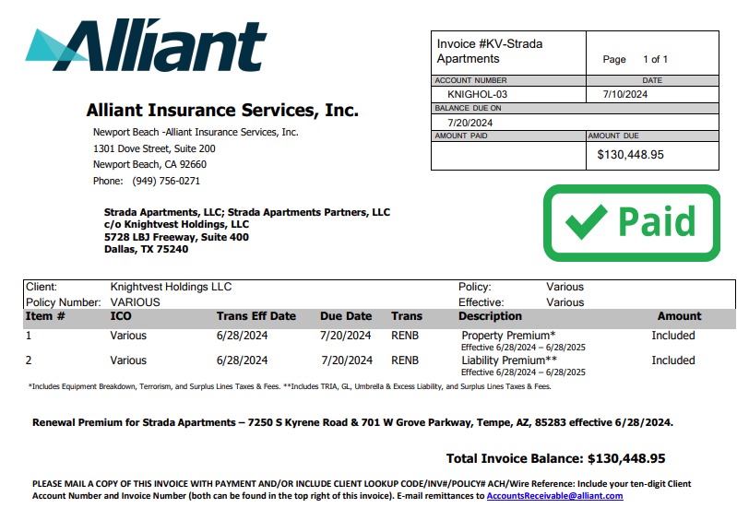
$130,448.95

Renovation Schedule
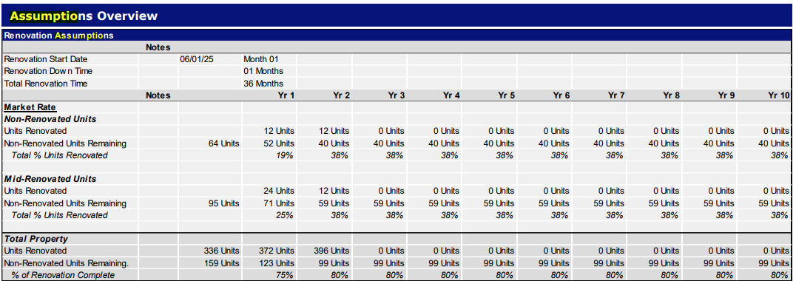
At Close Renovations | 431
06/30 Renovations | 436
IRE Assumed Renovations | 64
Total Renovations | 495
Total Units | #REF! | #REF!
Renovation Start | 2025-06-01

Renovation Schedule |  | 2026-06-01 | 2027-06-01 | 2028-05-31 | 2029-05-31 | 2030-05-31 | 2031-05-31 | 2032-05-30 | 2033-05-30 | 2034-05-30 | 2035-05-30 | 2036-05-29 | 2037-05-29
 |  | Year 1 | Year 2 | Year 3 | Year 4 | Year 5 | Year 6 | Year 7 | Year 8 | Year 9 | Year 10 | Year 11 | Year 12
Non-Renovated Units
Units Renovated |  | 12 Units | 12 Units | 0 Units | 0 Units | 0 Units | 0 Units | 0 Units | 0 Units | 0 Units | 0 Units | 0 Units | 0 Units
Non-Renovated Units Remaining | 64 Units | 52 Units | 40 Units | 40 Units | 40 Units | 40 Units | 40 Units | 40 Units | 40 Units | 40 Units | 40 Units | 40 Units | 40 Units
Completed per month |  | 1 Units | 1 Units | 0 Units | 0 Units | 0 Units | 0 Units | 0 Units | 0 Units | 0 Units | 0 Units | 0 Units | 0 Units

Mid-Renovated Units
Units Renovated |  | 24 Units | 12 Units | 0 Units | 0 Units | 0 Units | 0 Units | 0 Units | 0 Units | 0 Units | 0 Units | 0 Units | 0 Units
Non-Renovated Units Remaining | 95 Units | 71 Units | 59 Units | 59 Units | 59 Units | 59 Units | 59 Units | 59 Units | 59 Units | 59 Units | 59 Units | 59 Units | 59 Units
Completed per month |  | 2 Units | 1 Units | 0 Units | 0 Units | 0 Units | 0 Units | 0 Units | 0 Units | 0 Units | 0 Units | 0 Units | 0 Units

